Bug009
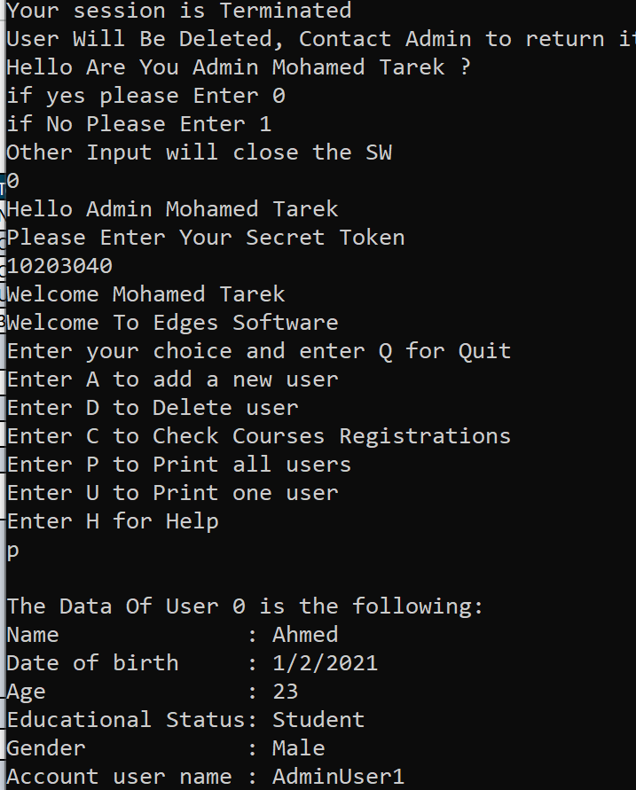
Bug Report

Category | Label | Value
Bug ID | Bug ID Number | #009
 | Reporter Name | tarek samir
 | Assigned Developer | -
 | Submit Date | 2024-09-23
 | Due Date | 2024-12-03
Bug Overview | Summary | When the 3 trials of the login (user) used -> account automatically deleted
 | Screenshot | Attached below
Environment | Platform | labtop
 | Operating System | Windows 10
Bug Details | Steps to Reproduce | wrong pass for user for 3 times
 | Expected Results | account deleted
 | Actual Results | account still saved
Bug Tracking | Severity | Critical
 | Priority | High
Suggested fix | delete acc after 3 trials

